I-CAN SELF CHECK
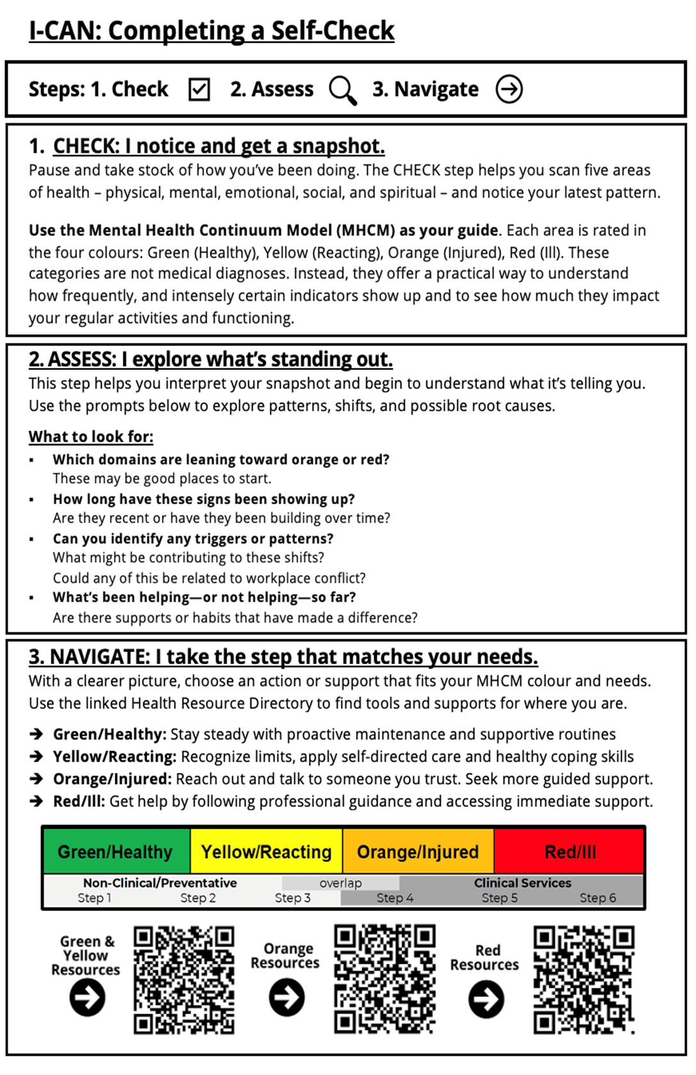
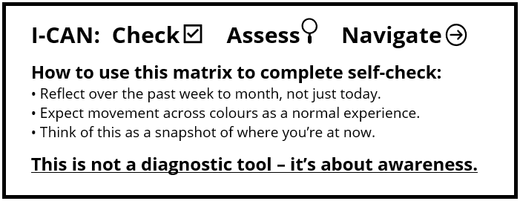 |  |  | 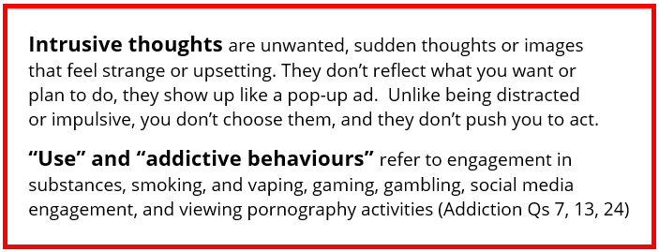 |  |  |  | Complete

 | DOMAIN | Q# | Green/Healthy (Your baseline for managing and enjoying your life) | Yellow/Reacting (Occasional/Above baseline: 20-35% of your week/month) | Orange/Injured (Frequent/Increased: 35-70% of your week/month) | Red/Ill (Frequent/Increased: more than 70% of your week/month) | Select Level
 | Physical Health | 1 | ¨ Healthy/regular appetite | ¨ Occasional gain/loss of appetite | ¨ Frequent gain/loss of appetite | ¨ Persistent gain/loss appetite
 |  | 2 | ¨ Healthy and stable weight | ¨ Occasional involuntary weight fluctuations | ¨ Increased involuntary weight fluctuations | ¨ Extreme involuntary weight fluctuations
 |  | 3 | ¨ Few sleep difficulties | ¨ Occasional trouble sleeping | ¨ Frequent trouble sleeping/restlessness | ¨ Inability to fall/stay asleep / insomnia
 |  | 4 | ¨ Healthy energy level | ¨ Occasional low energy | ¨ Frequent tiredness/fatigue | ¨ Sleeping too much or too little
 |  | 5 | ¨ Physically active | ¨ Occasional avoidance of physical activity | ¨ Avoidance of physical avitivity | ¨ Constant physical exhaustion
 |  | 6 | ¨ Good physical performance | ¨ Occasional muscle tension, headaches | ¨ Increased aches and pains | ¨ Physical illness
 | Addictions | 7 | ¨ Limited or no use | ¨ Occasional, controlled use | ¨ Increased use or difficulty controlling use | ¨ Compulsive use,cravings,inability to control use
 | Mental Health | 8 | ¨ Ability to concentrate and focus | ¨ Occasional distraction/loss of focus | ¨ Poor concentration/frequent loss of focus | ¨ Inability to concentrate
 |  | 9 | ¨ In control of thoughts and behaviours | ¨ Occasional forgetfulness | ¨ Frequent loss/gaps of memory | ¨ Complete loss of memory/cognitive abilities
 |  | 10 | ¨ Healthy thinking patterns | ¨ Occasional intrusive thoughts | ¨ Frequent intrusive thoughts or recurrent images | ¨ Severe intrusive thoughts, suicidal ideation
 |  | 11 | ¨ No or rare nightmares | ¨ Occasional nightmares | ¨ Frequent nightmares | ¨ Persistent nightmares
 |  | 12 | ¨ Good decision making, actions | ¨ Some difficulty actioning or procrastination | ¨ Increased loss of control over actions | ¨ Intent to harm self or others
 | Addictions | 13 | ¨ Limited or no addictive behaviours | ¨ Occasional addictive behaviours | ¨ Frequent addictive behaviours | ¨ Inability to control addictive behaviours
 | Emotional Health | 14 | ¨ Normal mood fluctuations | ¨ Irritability/impatience | ¨ Anger, hostility | ¨ Angry outbursts/aggression
 |  | 15 | ¨ Calmness | ¨ Nervousness | ¨ Increased feelings of anxiety | ¨ Debilitating anxiety/panic attacks
 |  | 16 | ¨ Good sense of humour | ¨ Occasional sadness,feeling overwhelmed | ¨ Pervasive sadness/hopelessness | ¨ Depression
 |  | 17 | ¨ Confidence/optimism | ¨ Occasional self-doubt | ¨ Loss of self-confidence | ¨ No self-worth
 |  | 18 | ¨ Ability to take things in stride | ¨ Occasional pessimism, displaced sarcasm | ¨ Frequent pessimism, increased apathy | ¨ Numbness/hopelessness
 | Social Health | 19 | ¨ Socially active | ¨ Decreased social activity | ¨ Withdrawal from social activity | ¨ Not going out or answering phone
 |  | 20 | ¨ Healthy social relationships | ¨ Occasional relationships conflict | ¨ Frequent relationships conflict, toxicity | ¨ Constant relationships conflict, toxicity
 |  | 21 | ¨ Engaged with others | ¨ Occasional avoidance of social situations | ¨ Pulling away from others | ¨ Isolation/complete withdrawal
 |  | 22 | ¨ Good performance and in duties | ¨ Occasional performance errors | ¨ Frequent performance errors | ¨ Inability to perform duties/tasks
 |  | 23 | ¨ Good presence at work | ¨ Occasional presenteeism | ¨ Frequent absenteeism | ¨ Constant/prolonged absenteeism
 | Addictions | 24 | ¨ No trouble/impact due to use | ¨ Limited trouble/impact due to use | ¨ Frequent trouble/impact due to use | ¨ Severe trouble/impact due to use
 | Spiritual Health | 25 | ¨ Established sense of purpose and meaning | ¨ Exploring sense of purpose and meaning | ¨ Losing sense of purpose and meaning | ¨ No sense of purpose and meaning
 |  | 26 | ¨ Secure and can easily accept other beliefs | ¨ Able to accept other beliefs | ¨ Difficulty accepting other beliefs | ¨ Unable to accept other beliefs
 |  | 27 | ¨ Positive sense of belonging | ¨ Some sense of belonging | ¨ Lacking sense of belonging | ¨ Isolated and no sense of belonging
 |  | 28 | ¨ Easily able to forgive myself and others | ¨ Able to forgive myself and others | ¨ Difficulty forgiving myself and others | ¨ Unable to forgive myself and others
 |  | 29 | ¨ Thrive and grow from inner conflicts | ¨ Able to function with inner conflicts/struggles | ¨ Difficulty coping with inner conflicts/struggles | ¨ Consumed by inner conflicts/struggles

 |  | Totals | Green: | Yellow: | Orange: | Red:
 |  |  | 0 | 0 | 0 | 0
 |  |  | Go to Green and Yellow Resources |  | Go to Orange Resources | Go to Red Resources
 |  |  |  |  |  |  | Click Here for Resources

